Pivot Tables
Row Labels | Count of Customer Type
Jan | 520
Feb | 499
Mar | 525
Apr | 536
May | 18
Grand Total | 2098

Row Labels | Sum of Profit
Laptop A13 | 105336000
Sofa Classic | 69248000
Desktop PC D21 | 68640000
Smartphone Z10 | 51950000
Refrigerator R55 | 48312000
Air Conditioner X2 | 44964000
Printer P50 | 38850000
Office Chair Pro | 18088000
Microwave M20 | 13416000
Blender B10 | 6870000
Grand Total | ₦465.67M

Row Labels | Sum of Revenue
Grace | 367835000
Chidinma | 371370000
Aisha | 378035000
David | 378660000
Musa | 397665000
Peter | 434805000
Grand Total | ₦2.328B

 |  | ₦
Row Labels | Sum of COGS
Abuja | 423312000
Kano | 486788000
Lagos | 493812000
Port Harcourt | 458784000
Grand Total | ₦1.863B

Row Labels | Count of Customer Type
May | 18
Feb | 499
Jan | 520
Mar | 525
Apr | 536
Grand Total | 2098

DashBoard
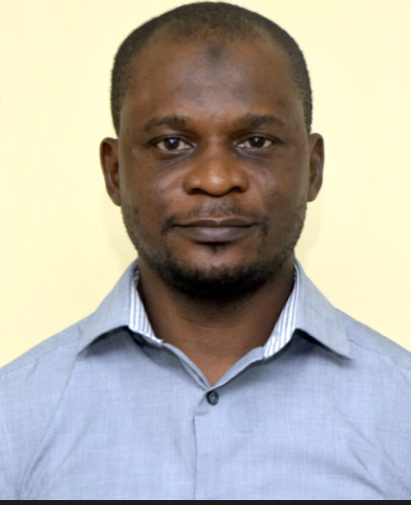

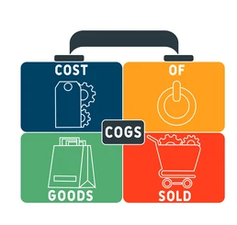


Row Labels
Sales Data Analysis

₦2.328B
₦1.863B
₦465.67M
2098

Product by Profit
 | Total
Laptop A13 | 105336000
Sofa Classic | 69248000
Desktop PC D21 | 68640000
Smartphone Z10 | 51950000
Refrigerator R55 | 48312000
Air Conditioner X2 | 44964000
Printer P50 | 38850000
Office Chair Pro | 18088000
Microwave M20 | 13416000
Blender B10 | 6870000
City by COGS
 | Total
Abuja | 423312000
Kano | 486788000
Lagos | 493812000
Port Harcourt | 458784000

Monthly Customers
 | Total
May | 18
Feb | 499
Jan | 520
Mar | 525
Apr | 536
Sales Rep by Revenue
 | Total
Grace | 367835000
Chidinma | 371370000
Aisha | 378035000
David | 378660000
Musa | 397665000
Peter | 434805000

DashBoard (2)
Sales Data Analysis
₦2,328.37(B)
₦1.49 (M)
₦465.67 (M)

Product by Profit
 | Total
Laptop A13 | 105336000
Sofa Classic | 69248000
Desktop PC D21 | 68640000
Smartphone Z10 | 51950000
Refrigerator R55 | 48312000
Air Conditioner X2 | 44964000
Printer P50 | 38850000
Office Chair Pro | 18088000
Microwave M20 | 13416000
Blender B10 | 6870000
City by COGS
 | Total
Abuja | 423312000
Kano | 486788000
Lagos | 493812000
Port Harcourt | 458784000

Monthly Customers
 | Total
May | 18
Feb | 499
Jan | 520
Mar | 525
Apr | 536
Sales Rep by Revenue
 | Total
Grace | 367835000
Chidinma | 371370000
Aisha | 378035000
David | 378660000
Musa | 397665000
Peter | 434805000

